Sheet1
Tool webpage | http://d97izos18ak5d.cloudfront.net/
Module name | "Out of office" event creation
Written Date | 2023-01-12
Written By | Olena Davyda

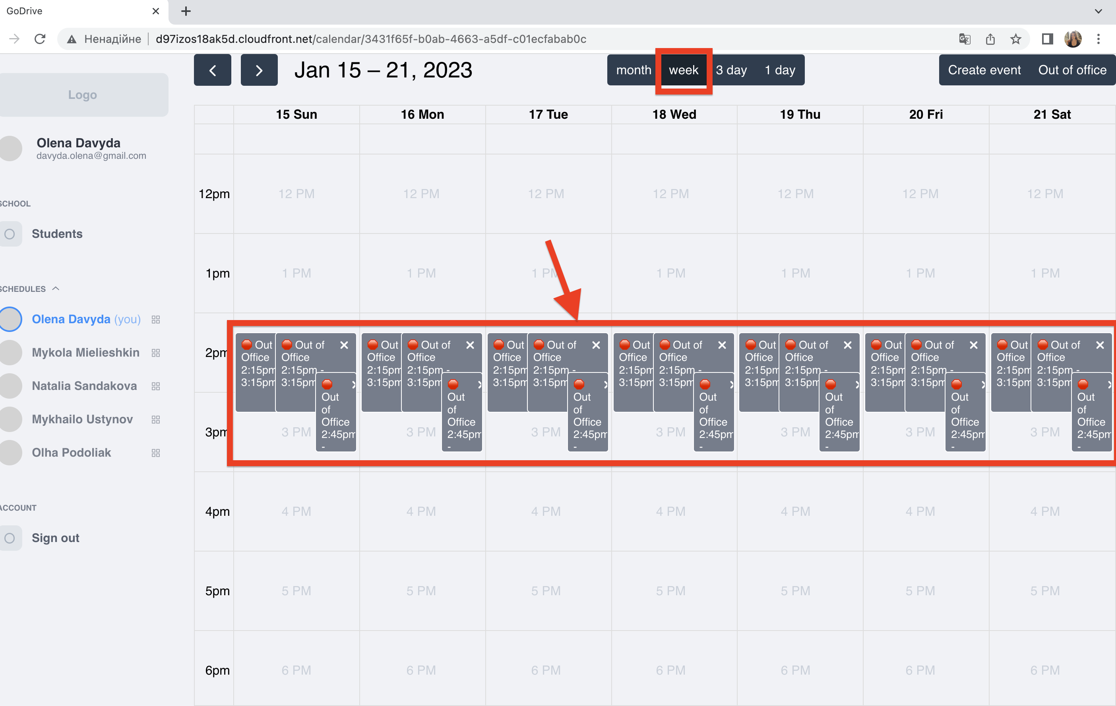
Bug report id | Summary | Description | Steps to reproduce | Expected result | Actual result | Environment | Severity | Attachment | Assigned to
1 | Repeated event can be created at time of already existed one | Two events intersect | 1. Log in to the page | Error message should display | Event displayed on Calendar table | Google chrome version 109.0.5414.87 | Critical
 |  |  | e-mail: davyda.olena@gmail.com
 |  |  | password: password
 |  |  | 2. Click on week option above the main page
 |  |  | 3. Click on "Out of office" button
 |  |  | 4. Leave Title input field empty
 |  |  | 5.Click on Calendar icon at Date input field
 |  |  | 6. Select 15.01.2023 date
 |  |  | 7. Click on Start time input field
 |  |  | 8. Select 2:15 p.m. Start time and click on it
 |  |  | 9. Click on End time input field
 |  |  | 10. Select 3:15 p.m. End time and click on it
 |  |  | 11. Click on Recurrence input field
 |  |  | 12. Select "Repeat" option and click on it
 |  |  | 13. Click on "up" arrow seven times at "Repeat every" input field
 |  |  | 14. Click on dropdwon list under "Repeat every" input field
 |  |  | 15. Select "Daily" option and click on it
 |  |  | 16. Click on "Create" button
 |  |  | 17. Click on "Out of office" button
 |  |  | 18. Leave Title input field empty
 |  |  | 19.Click on Calendar icon at Date input field
 |  |  | 20. Select 15.01.2023 date
 |  |  | 21. Click on Start time input field
 |  |  | 22. Select 2:15 p.m. Start time and click on it
 |  |  | 23. Click on End time input field
 |  |  | 24. Select 3:15 p.m. End time and click on it
 |  |  | 25. Click on Recurrence input field
 |  |  | 26. Select "Repeat" option and click on it
 |  |  | 27. Click on "up" arrow seven times at "Repeat every" input field
 |  |  | 28. Click on dropdwon list under "Repeat every" input field
 |  |  | 29. Select "Daily" option and click on it
 |  |  | 30. Click on "Create" button
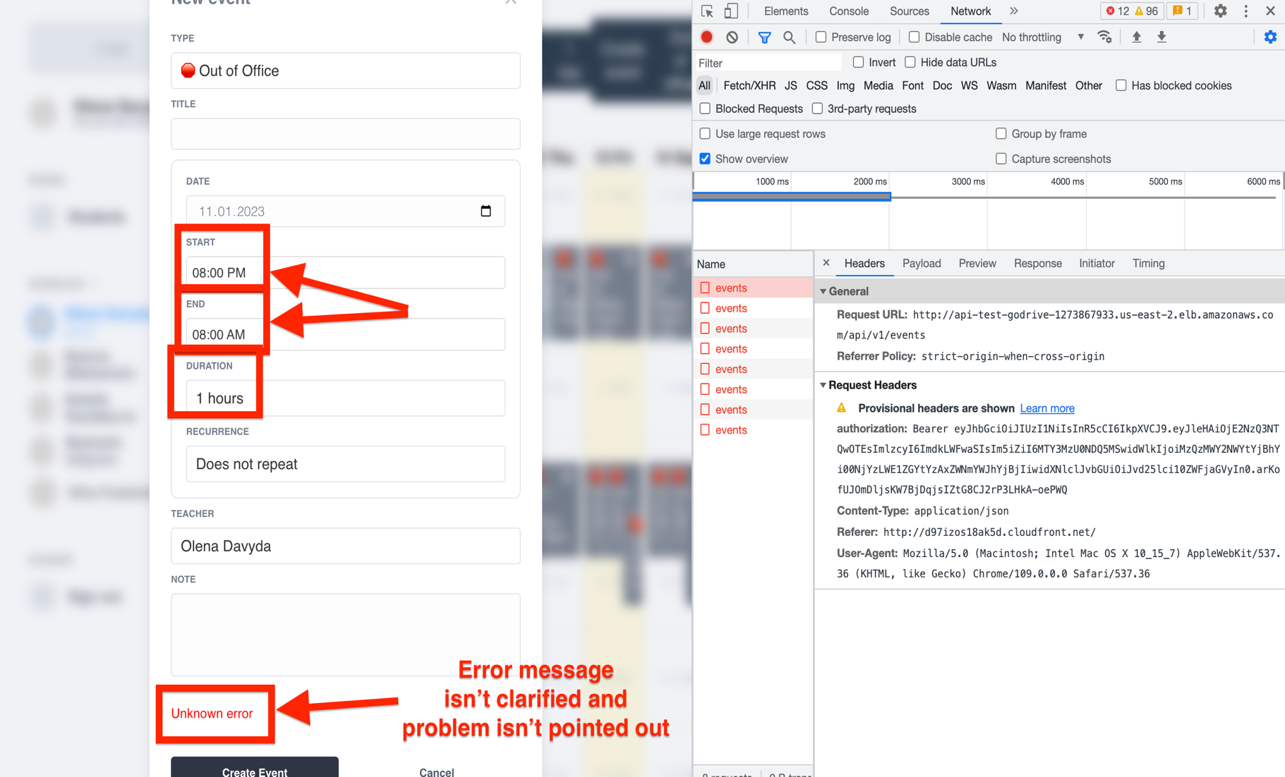
2 | Error message isn't clear | Error message isn't clarified and problem isn't pointed out | 1. Log in to the page | Clarified Error message should be displayed with a problem pointed out | Unknown error is displayed | "Google chrome version 109.0.5414.87" | Minor
 |  |  | e-mail: davyda.olena@gmail.com
 |  |  | password: password
 |  |  | 2. Click on "Out of office" button
 |  |  | 3. Leave Title input field empty
 |  |  | 4.Click on Calendar icon at Date input field"
 |  |  | 5. Select 11.01.2023 date
 |  |  | 6. Click on Start time input field
 |  |  | 7. Select 8:00 p.m. Start time and click on it
 |  |  | 8. Click on End time input field
 |  |  | 9. Select 8:00 a.m. End time and click on it"
 |  |  | 10. Click on Recurrence input field
 |  |  | 11. Select "Does not repeat" option and click on it
 |  |  | 12. Click on "Create" button
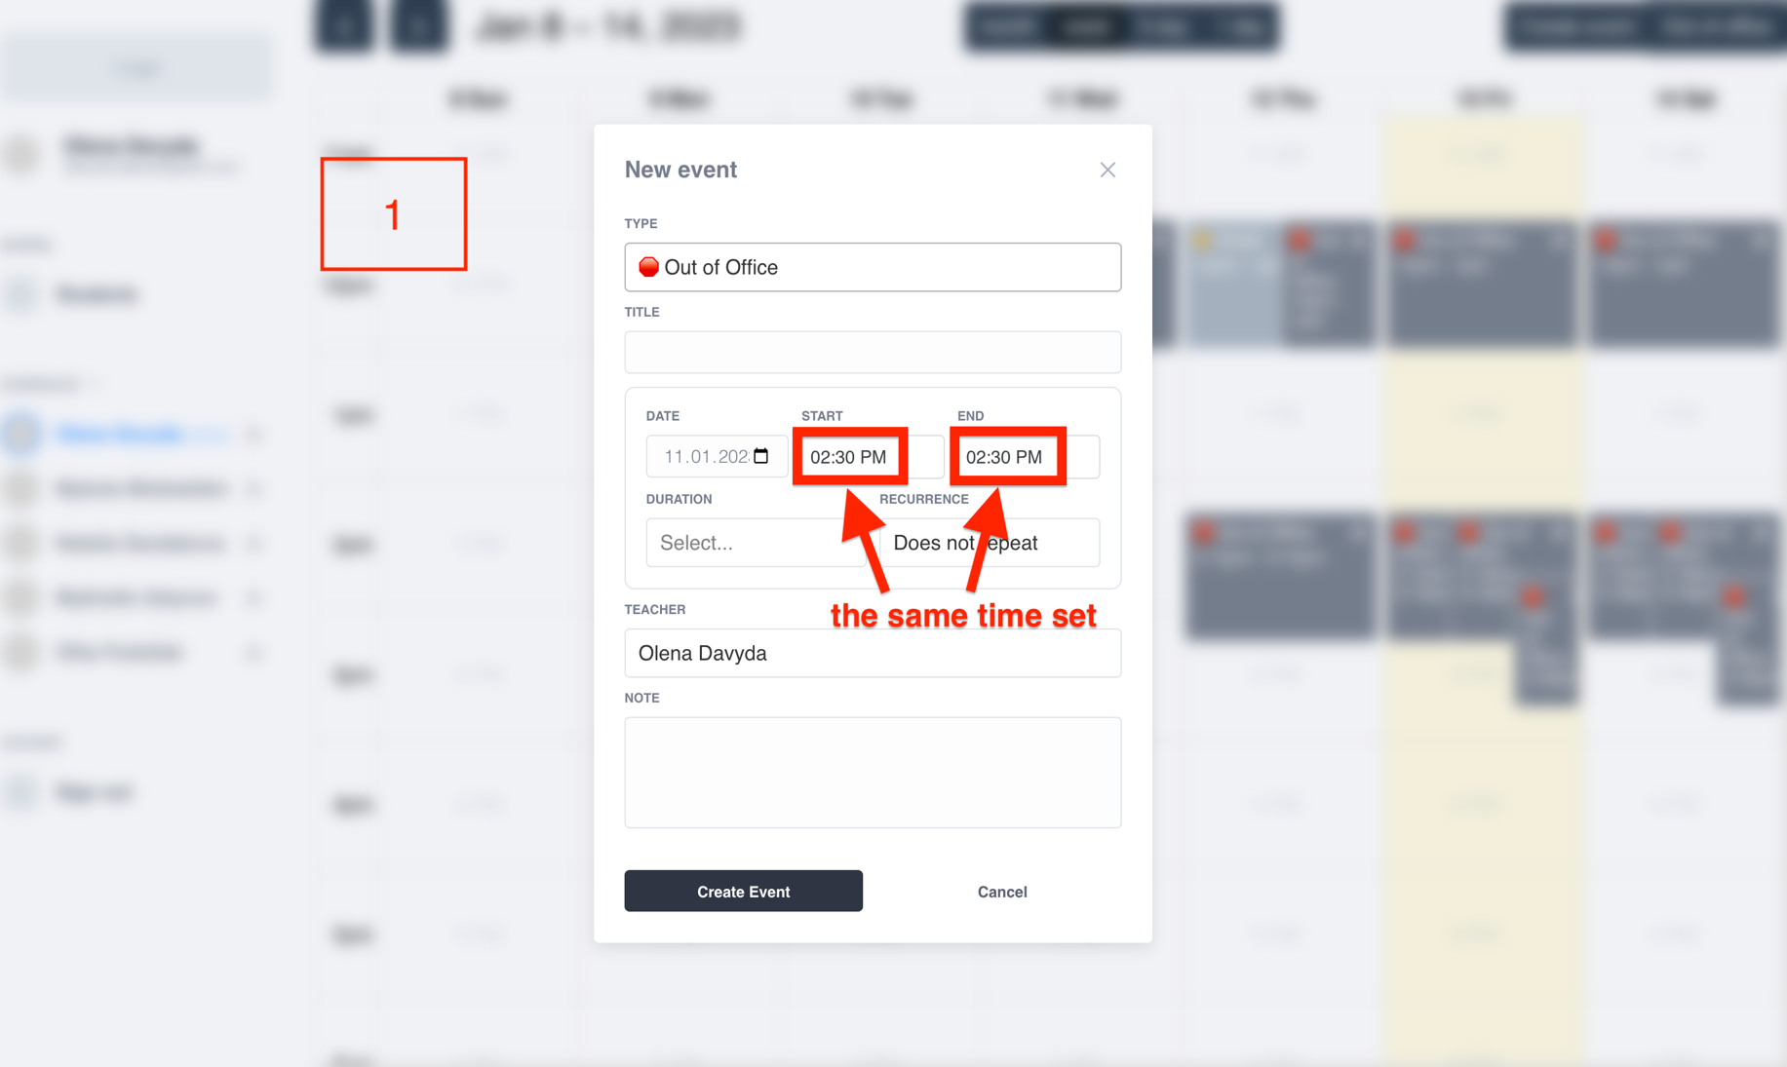
3 | The same time for Start & End time Event set is accepted by the system | The system accepts the same time for Start & End time Event set and | 1. Log in to the page | The system shouldn't display the Event on Calendar table | Created event opened and End time isn't set | Google chrome version 109.0.5414.87 | Major
 |  |  | e-mail: davyda.olena@gmail.com
 |  |  | password: password
 |  |  | 2. Click on week option above the main page
 |  |  | 3. Click on "Out of office" button
 |  |  | 4. Leave Title input field empty
 |  |  | 5.Click on Calendar icon at Date input field
 |  |  | 6. Select 11.01.2023 date
 |  |  | 7. Click on Start time input field
 |  |  | 8. Select 2:30 p.m. Start time and click on it
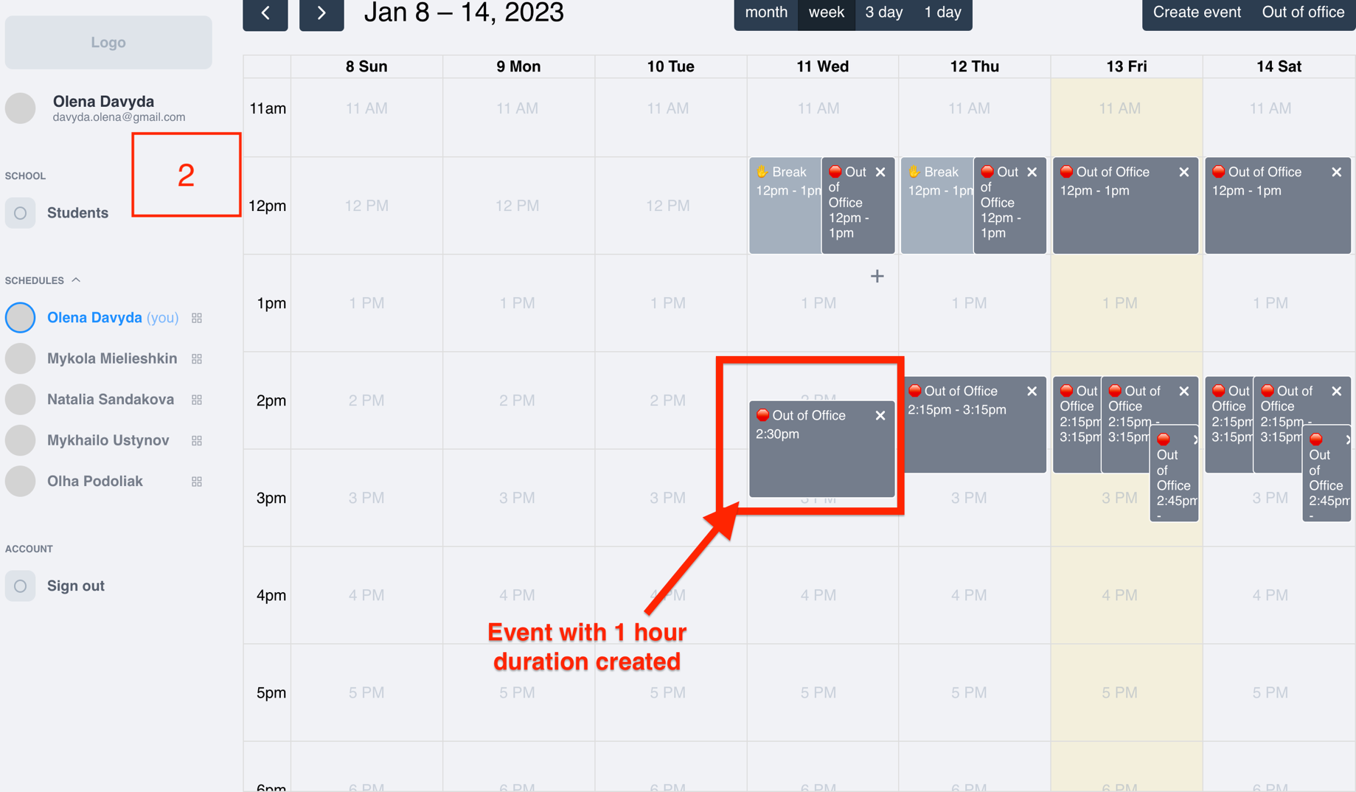
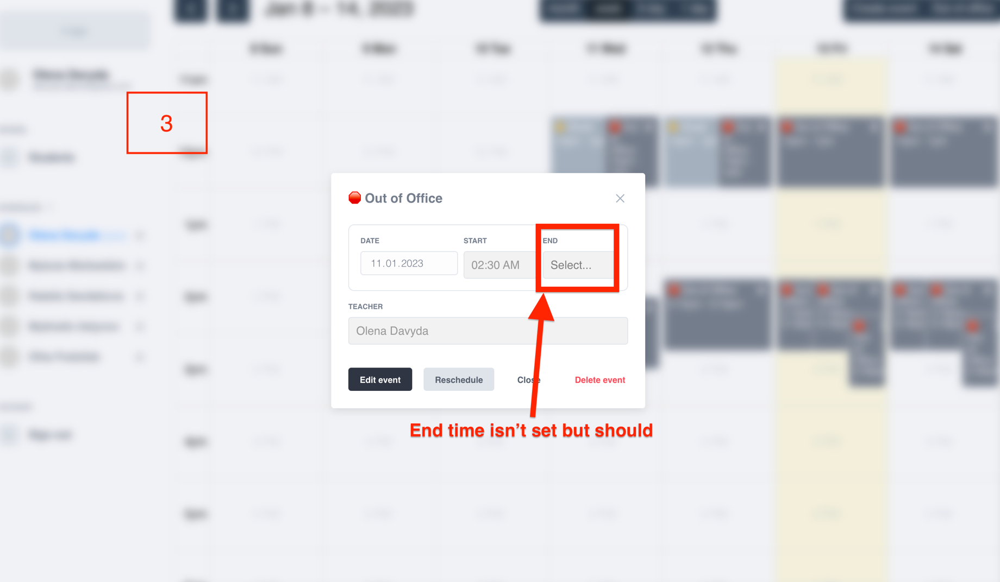
 |  |  | 9. Enter manually 2:30 p.m. at End time input field
 |  |  | 10. Click on "Create event" button
 |  |  | 11. Click on already created Event

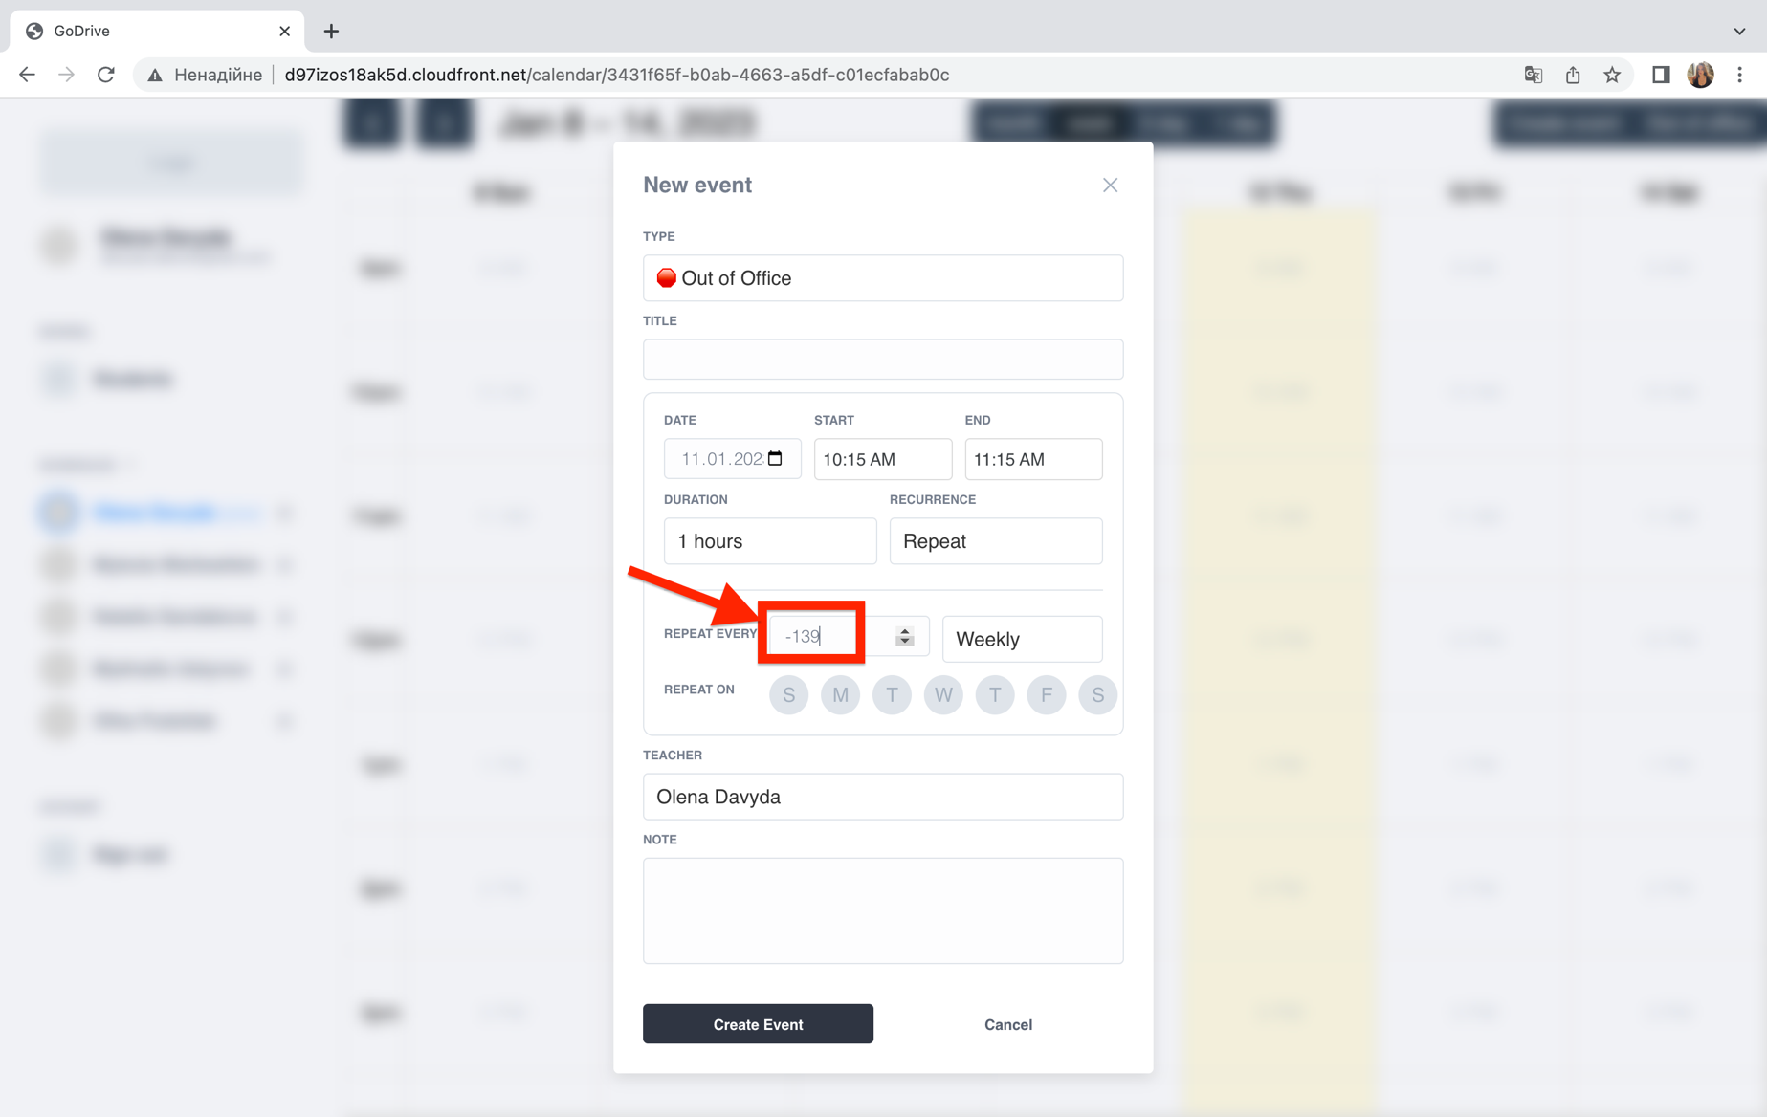
4 | In "Out of office" Event form minus values can be entered for "Repeat every" input field | Minus values can be set by clicking on "down" arrow or entered manually | 1. Log in to the page | System shouldn't accept minus values to be entered | Able to enter minus values and save it | Google chrome version 109.0.5414.87 | Major
 |  |  | e-mail: davyda.olena@gmail.com
 |  |  | password: password
 |  |  | 2. Click on week option above the main page
 |  |  | 3. Click on "Out of office" button
 |  |  | 4. Leave Title input field empty
 |  |  | 5.Click on Calendar icon at Date input field
 |  |  | 6. Select 11.01.2023 date
 |  |  | 7. Click on Start time input field
 |  |  | 8. Select 10:15 a.m. Start time and click on it
 |  |  | 9. Click on End time input field
 |  |  | 10. Select 11:15 a.m. End time and click on it"
 |  |  | 11. Click on Recurrence input field
 |  |  | 12. Select "Repeat" option and click on it
 |  |  | 13. At "Repeat every" click on "down" arrow twenty times
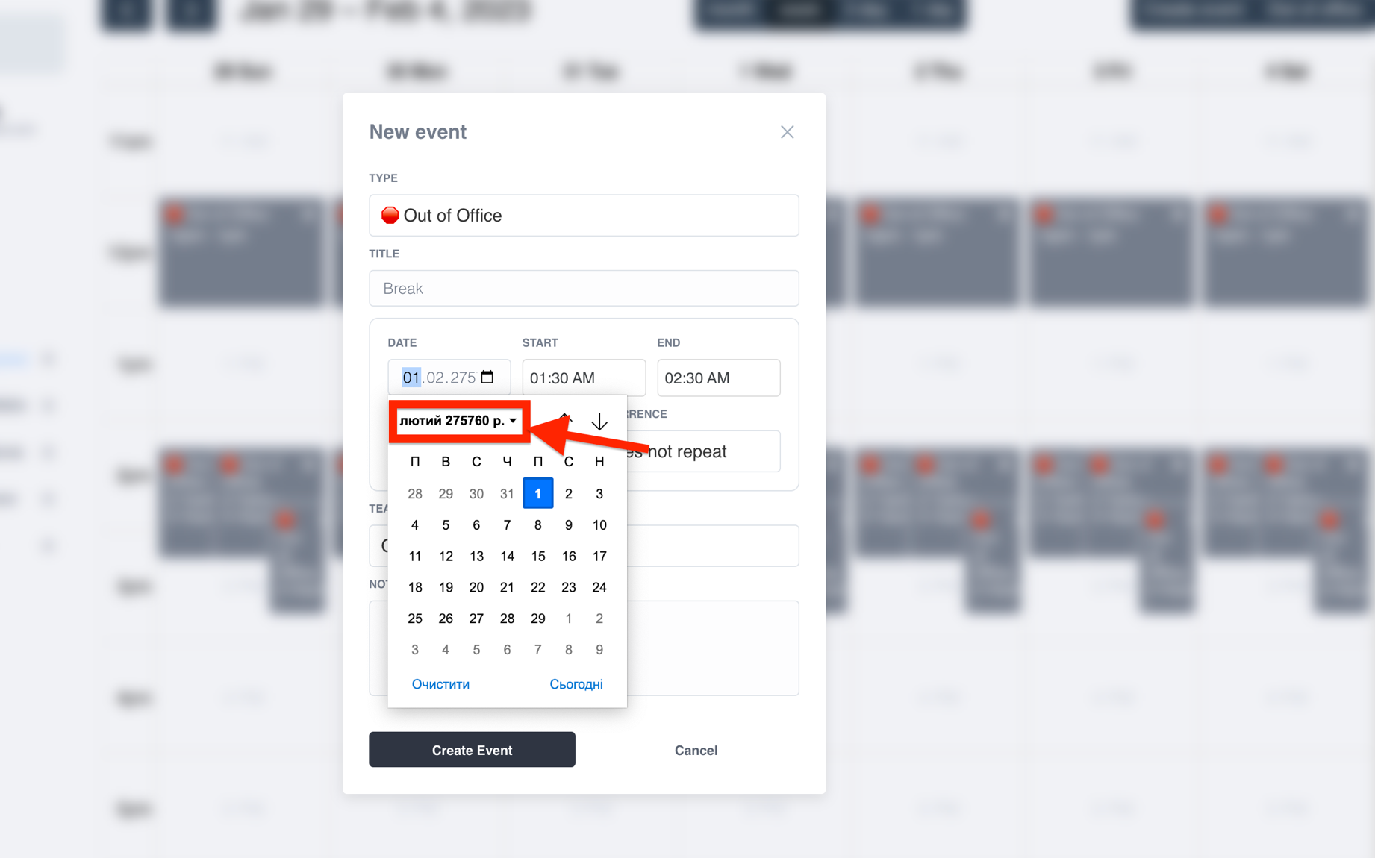
5 | At Creation Form in Date input field 6-digit year number can be entered | System accepts 6-digit year number entering for Date | 1. Log in to the page | System should reject entering | 6-digit number for Year at Date input field can be entered | Google chrome version 109.0.5414.87 | Minor
 |  |  | e-mail: davyda.olena@gmail.com
 |  |  | password: password
 |  |  | 2. Select "Week" option above the main page
 |  |  | 3. Click on 01.02.2023 day on the Calendar table
 |  |  | 4. Enter the Title "Break" at input field
 |  |  | 5. At Date input field enter manually 6-digit number "275760" for year

